Sheet1
No. | sku | sku Name | picture | Packaging length | Packaging width | Packing height | Outer box length | Outer box width | Outer box height | Single box weight(KG） | Quantity of a single box | QTY
1 | V344-UKAN1015076 | Office Chair – Grey | 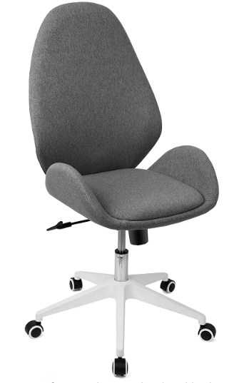 | 72 | 59 | 30 | 72 | 59 | 30 | 14.2kg | 1 | 441
2 | V344-UKAN1015077 | Office Chair - Pink | 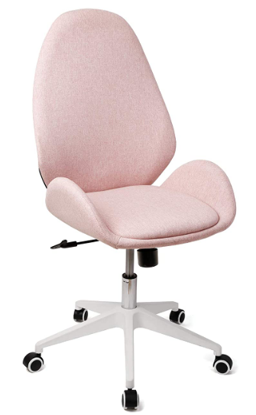 | 72 | 59 | 30 | 72 | 59 | 30 | 14.2kg | 1 | 44
 |  |  |  |  |  |  |  |  |  |  |  | 485

